Appendix 2a
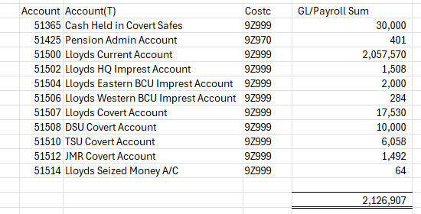
Appendix 2a – Cash and Investments

Current Investments (Including Money Market Fund investments and Instant Access) as advised at the 30 June 2026: £21.5m.

Total Cash Balance (Including all PCC Bank A/C’S) in the ledger as at the 30 June 2026
£2.127m

Appendix 2b
Aged Debtors
 | Not Due 0-1 Month 1-3 Months 3-6 Months 6-12 Months > 12 Months | 0-1 Month | 1-3 Months | 3-6 Months | 6-12 Months | > 12 Months
Q1 P1 | 544700.85 | 117754.83 | 265582.12 | 3736.08 | 7418.07 | 12724.75
Q1 P2 | 887134.05 | 13825.07 | 299713.68 | 1831.6 | 10968.07 | 12704.75
Q1 P3 | 283841.85 | 23461.48 | 12641.49 | 263569.35 | 883.05 | 15605.85
Q2 P4
Q2 P5
Q2 P6
Q3 P7
Q3 P8
Q3 P9
Q4 P10
Q4 P11
Q4 P12
Debtors COT Appendix as at 30th June 26
Top 5 Aged Debtors
 |  | Not Due | 0-1 Month | 1-3 Months | 3-6 Months | 6-12 Months | > 12 Months
National Probation Service, SSCL |  | 0 | 0 | 0 | 258095.03 | 0 | 0
PCC for Dyfed Powys |  | 214709.11 | 0 | 0 | 0 | 0 | -4569.11
HM Prison & Probation Service in Wales |  | 30000 | 0 | 0 | 0 | 0 | 0
PCC for West Yorkshire |  | 22685.33 | 0 | 0 | 0 | 0 | 0
Allelys Heavy Haulage Ltd |  | 1380.3 | 11607.52 | 0 | 0 | 0 | 0
Outstanding Debt Age Summary
 | £ Invoice | £ Invoice | £ Invoice | £ Invoice | £ Invoice | £ Invoice | £ Invoice | £ Invoice | £ Invoice | £ Invoice | £ Invoice | £ Invoice | # Invoices
Debt Age | 2026-7 | 2026-7 | 2026-7 | 2026-7 | 2026-7 | 2026-7 | 2026-7 | 2026-7 | 2026-7 | 2026-7 | 2026-7 | 2026-7 | 2026-7
 | Q1 P1 | Q1 P2 | Q1 P3 | Q2 P4 | Q2 P5 | Q2 P6 | Q3 P7 | Q3 P8 | Q3 P9 | Q4 P10 | Q4 P11 | Q4 P12 | Q1 P3
Not Due | 544,701 | 887,134 | 283,842 |  |  |  |  |  |  |  |  |  | 20
0-1 Month | 117,755 | 13,825 | 23,461 |  |  |  |  |  |  |  |  |  | 11
1-3 Months | 265,582 | 299,714 | 12,641 |  |  |  |  |  |  |  |  |  | 10
3-6 Months | 3,736 | 1,832 | 263,569 |  |  |  |  |  |  |  |  |  | 5
6-12 Months | 7,418 | 10,968 | 883 |  |  |  |  |  |  |  |  |  | 3
> 12 Months | 12,725 | 12,705 | 15,606 |  |  |  |  |  |  |  |  |  | 28
 | 951,917 | 1,226,177 | 600,003 | 0 | 0 | 0 | 0 | 0 | 0 | 0 | 0 | 0 | 77

Top 5 Debtors: 30th June 26 |  |  |  |  |  |  | Top 5 Debtors : Debt Age
Customer Name |  |  | O/S Amount | No of Invoices | % of O/S £ total Invoices | % of O/S # total Invoices | Not Due | 0-1 Month | 1-3 Months | 3-6 Months | 6-12 Months | > 12 Months
National Probation Service, SSCL |  |  | 258,095 | 1 | 43% | 1% | - | - | - | 258,095.03 | - | -
PCC for Dyfed Powys |  |  | 210,140 | 3 | 35% | 4% | 214,709.11 | - | - | - | - | -4,569.11
HM Prison & Probation Service in Wales |  |  | 30,000 | 1 | 5% | 1% | 30,000.00 | - | - | - | - | -
PCC for West Yorkshire |  |  | 22,685 | 3 | 4% | 4% | 22,685.33 | - | - | - | - | -
Allelys Heavy Haulage Ltd |  |  | 12,988 | 5 | 2% | 6% | 1,380.30 | 11,607.52 | - | - | - | -
Debtor Payments
 | Period 1 | Period 2 | Period 3
Q1-P1 | -1027586.66
Q1-P2 | -1027586.66 | -739230.31
Q1-P3 | -1027586.66 | -739230.31 | -1564362.17
Q2-P4
Q2-P5
Q2-P6
Q3-P7
Q3-P8
Q3-P9
Q3-P10
Q3-P11
Q3-P12
 |  |  | 533,908.18 | 13 | 89% | 17% | 268,774.74 | 11,607.52 | - | 258,095.03 | - | -4,569.11

Debt Paid in Period Age Summary @ 30th June 26
Debt Age | 2026-27 | 2026-27 | 2026-27 | 2026-27 | 2026-27 | 2026-27 | 2026-27 | 2026-27 | 2026-27 | 2026-27 | 2026-27 | 2026-27
 | Q1-P1 | Q1-P2 | Q1-P3 | Q2-P4 | Q2-P5 | Q2-P6 | Q3-P7 | Q3-P8 | Q3-P9 | Q3-P10 | Q3-P11 | Q3-P12
Period 1 | (1,027,587) | (1,027,587) | (1,027,587)
Period 2 |  | (739,230) | (739,230)
Period 3 |  |  | (1,564,362)
 | (1,027,587) | (1,766,817) | (3,331,179) | 0 | 0 | 0 | 0 | 0 | 0 | 0 | 0 | 0

 |  |  |  |  |  |  |  |  |  |  |  |  |  | 0

POTENTIAL WRITE OFFS 2026

Company | Invoice No. | Amount | Cost Centre | Age | Narrative
Caerphilly CBC | 3000371 | 517.50 |  | 201802 | Contribution to partnership initiative email attached
Home Office | 3000568 | 6,072.66 |  | 201809 | Secondment costs for DC 660 Fergus Jamieson - April 2017 - Transfer to BW P15402
Newport City Council | 3000023 | 250.00 |  | 201704 | Transfer to BW P14846
Newport City Council | 3000037 | 50.00 |  | 201704 | Transfer to BW P15046
Warwickshire Police | 3001038 | 124.75 |  | 201908 | Re-imbursement of train booking - 9th June from Bristol Parkway to York, returning on 12th June from York to Bristol to attend an IS meeing in York
Warwickshire Police | 3001341 | 135.60 |  | 202001 | Reimbursement of Police costs - On 08.03.20 - Hotel Booking on behalf of PC 410 Goddard who attended an ISO meetingO
Warwickshire Police | 3001359 | 153.68 |  | 202002 | Reimbursement of Police costs from the FCIN for hotel booking on 03.09.19 at the Hallmark Hotel - PC Chris Goddard £128.07
Warwickshire Police | 3001360 | 118.20 |  | 202002 | 1 nights accommodation on 26.02.20 at the Blunsten House Hotel, Swindon for PC 410 Chris Goddard, to be claimed back from the National ISO Account
PCC for West Midlands Police | 3000906 | 60.00 |  | 201905 | Police Vehicle Recovery
GCS Johnson Ltd | 3000849 | 299.65 |  | 201903 | Abnormal Load Escort - Portbury to Port Talbot - 13/06/19 - Matt Coe has approved write off
GCS Johnson Ltd | 3001400 | 284.25 |  | 202004 | Abnormal Load Movement to Newport Docks 8th July 2020 - Matt Coe has approved write offs
VSG Ltd | 3001296 | 66.20 |  | 202001 | VSG SYSTEMS - ANNUAL LONE WORKER URN FEE FOR PERIOD 01/04/20 - 31/03/21

 |  | 8,132.49

Appendix 2e
Seized Money COT Appendix as at 30th June 2026

 | Review of Money in vs Money Out 2526 |  |  |  |  |  | Review of Money in Vs Out 2627 |  |  |  | Review of Money in Vs Out To Date
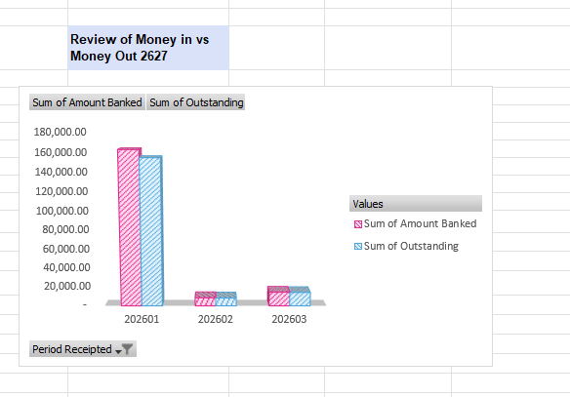
banked vs outstanding
162007.9 | 4727330.25
153847.9 | 1392272.06
 | Sum of Amount Banked | Sum of Outstanding
202501 | 54845.55 | 19349.36
202502 | 91020.96 | 6988.5
202503 | 133330.96 | 95069.69
202504 | 109730.78 | 83374.72
202505 | 21403.26 | 17030.65
202506 | 66889.85 | 31871.25
202507 | 164074.89 | 113786.47
202508 | 44590.2 | 15194.08
202509 | 25224.19 | 18698.69
202510 | 43039.24 | 27651.35
202511 | 51510.63 | 35463.52
202512 | 96052.46 | 94527.46

 | Outstanding Seized Money Ageing Summary
 |  | Q1 P1 | Q1 P2 | Q1 P3 | Q2 P4 | Q2 P5 | Q2 P6 | Q3 P7 | Q3 P8 | Q3 P9 | Q4 P10 | Q4 P11 | Q4 P12
Opening Balance 26/27
0-1 Month |  | 153,847.90 | 8,337.69 | 14,345.64
1-3 Months |  | 157,642.33 | 283,838.88 | 256,713.05
3-6 Months |  | 147,679.24 | 61,544.12 | 81,813.56
6-12 Months |  | 253,684.17 | 348,121.28 | 356,326.86
> 12 Months |  | 656,735.09 | 676,084.45 | 683,072.95
Outstanding Balance |  | 1,369,588.73 | 1,377,926.42 | 1,392,272.06
Aged Seized Money
 | 0-1 Month | 1-3 Months | 3-6 Months | 6-12 Months | > 12 Months
Q1 P1 | 153847.9 | 157642.33 | 147679.24 | 253684.17 | 656735.09
Q1 P2 | 8337.69 | 283838.88 | 61544.12 | 348121.28 | 676084.45
Q1 P3 | 14345.64 | 256713.05 | 81813.56 | 356326.86 | 683072.95
Q2 P4
Q2 P5
Q2 P6
Q3 P7
Q3 P8
Q3 P9
Q4 P10
Q4 P11
Q4 P12

Seized Money Paid Out in Period Age
Debt Age | 2026-2027 | 2026-2027 | 2026-2027 | 2026-2027 | 2026-2027 | 2026-2027 | 2026-2027 | 2026-2027 | 2026-2027 | 2026-2027 | 2026-2027 | 2026-2027
 | Q1-P1 | Q1-P2 | Q1-P3 | Q2-P4 | Q2-P5 | Q2-P6 | Q3-P7 | Q3-P8 | Q3-P9 | Q4-P10 | Q4-P11 | Q4-P12
Period 1 | 29,141 | 29,141 | 29,141 | 29,141
Period 2 |  | 95,047 | 95,047 | 95,047
Period 3 |  |  |  | 86,008
 | 29,141 | 124,188 | 124,188 | 210,196 | 0 | 0 | 0 | 0 | 0 | 0 | 0 | 0

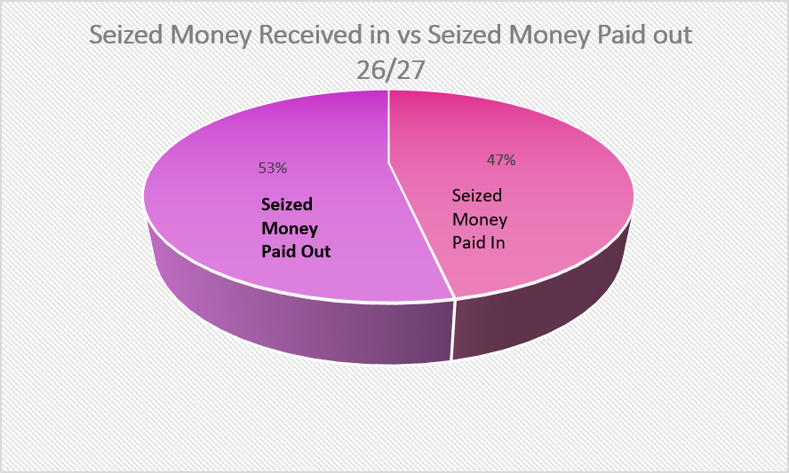
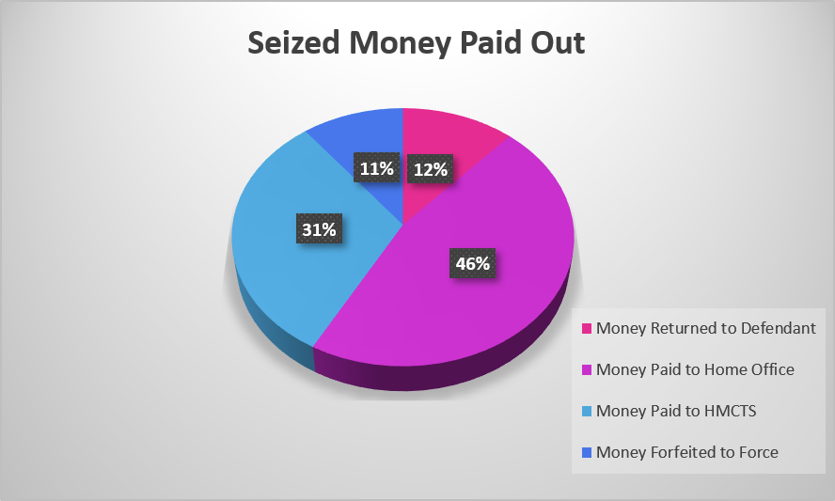
Seized Money Received in vs Paid Out

 |  | Apr-26 | May-26 | Jun-26 | Jul-26 | Aug-26 | Sep-26 | Oct-26 | Nov-26 | Dec-26 | Jan-27 | Feb-27 | Mar-27 | Total In/Out

Seized Money Received In |  | 162,007.90 | 8,657.69 | 14,690.64 |  |  |  |  |  |  |  |  |  | 185,356.23
Number of Cash Items
Money Returned to Defendant |  | 9,111 | 14,815 | 670 |  |  |  |  |  |  |  |  |  | 24,596
Money Paid to Home Office |  | 13,930 | 58,612 | 24,886 |  |  |  |  |  |  |  |  |  | 97,429
Money Paid to HMCTS |  | 6,100 | 21,619 | 38,269 |  |  |  |  |  |  |  |  |  | 65,988
Money Forfeited to Force |  |  |  | 22,183 |  |  |  |  |  |  |  |  |  | 22,183.09
Total Money Paid out |  | 29,141 | 95,047 | 86,008 | 0 | 0 | 0 | 0 | 0 | 0 | 0 | 0 | 0 | 210,196
Running Balance |  | 132,867 | (86,389) | (49,135) | 0 | 0 | 0 | 0 | 0 | 0 | 0 | 0 | 0 | (24,840)

