Appendix 2b
Aged Debtors
Top 5 Aged Debtors
 |  | Not Due | 0-1 Month | 1-3 Months | 3-6 Months | 6-12 Months | > 12 Months
National Probation Service, SSCL |  | 0 | 1110138.06 | 0 | 0 | 0 | 0
College of Policing |  | 0 | 0 | 0 | 49286.82 | 0 | 0
PCC for Devon & Cornwall |  | 29941.77 | 0 | 0 | 0 | 0 | 0
Home Office |  | 0 | 0 | 0 | 0 | 0 | 6072.66
Gloag & Sons Ltd |  | 0 | 0 | 0 | 0 | 0 | 4207.35
Debtors COT Appendix as at 29th SEPT 25

Outstanding Debt Age Summary
 | £ Invoice | £ Invoice | £ Invoice | £ Invoice | £ Invoice | £ Invoice | £ Invoice | £ Invoice | £ Invoice | £ Invoice | £ Invoice | £ Invoice | # Invoices
Debt Age | 2025-6 | 2025-6 | 2025-6 | 2025-6 | 2025-6 | 2025-6 | 2025-6 | 2025-6 | 2025-6 | 2025-6 | 2025-6 | 2025-6 | 2025-6
 | Q1 P1 | Q1 P2 | Q1 P3 | Q2 P4 | Q2 P5 | Q2 P6 | Q3 P7 | Q3 P8 | Q3 P9 | Q4 P10 | Q4 P11 | Q4 P12 | Q2 P
Not Due | 1,463,764 | 790,964 | 285,909 | 141,885 | 1,495,428 | 50,333 | 0 | 0 | 0 | 0 | 0 | 0 | 22
0-1 Month | 93,164 | 238,450 | 11,860 | 16,148 | 30,189 | 1,110,410 | 0 | 0 | 0 | 0 | 0 | 0 | 4
1-3 Months | 256,075 | 56,737 | 152,169 | 57,053 | 13,092 | 2,663 | 0 | 0 | 0 | 0 | 0 | 0 | 2
3-6 Months | 4,615 | 4,461 | 2,863 | 247 | 49,534 | 52,505 | 0 | 0 | 0 | 0 | 0 | 0 | 5
6-12 Months | 14,570 | 10,291 | 873 | 781 | 766 | 741 | 0 | 0 | 0 | 0 | 0 | 0 | 2
> 12 Months | 20,680 | 19,744 | 19,724 | 19,529 | 15,488 | 12,353 | 0 | 0 | 0 | 0 | 0 | 0 | 25
 | 1,852,868 | 1,120,648 | 473,397 | 235,643 | 1,604,497 | 1,229,005 | 0 | 0 | 0 | 0 | 0 | 0 | 60

Top 5 Debtors: 29th SEPT 25 |  |  |  |  |  |  | Top 5 Debtors : Debt Age
Customer Name |  |  | O/S Amount | No of Invoices | % of O/S £ total Invoices | % of O/S # total Invoices | Not Due | 0-1 Month | 1-3 Months | 3-6 Months | 6-12 Months | > 12 Months
National Probation Service, SSCL |  |  | 1,110,138 | 2 | 90% | 3% | - | 1,110,138.06 | - | - | - | -
College of Policing |  |  | 49,287 | 1 | 4% | 2% | - | - | - | 49,286.82 | - | -
PCC for Devon & Cornwall |  |  | 29,942 | 2 | 2% | 3% | 29,941.77 | - | - | - | - | -
Home Office |  |  | 6,073 | 1 | 0% | 2% | - | - | - | - | - | 6,072.66
Gloag & Sons Ltd |  |  | 4,207 | 4 | 0% | 7% | - | - | - | - | - | 4,207.35
 |  |  | 1,199,646.66 | 10 | 98% | 17% | 29,941.77 | 1,110,138.06 | - | 49,286.82 | - | 10,280.01

Debtor Payments
 | Period 1 | Period 2 | Period 3
Q1-P1 | (695,989)
Q1-P2 | (695,989) | (1,969,883)
Q1-P3 | (695,989) | (1,969,883) | (1,699,213)
Q2-P4 | (653,581)
Q2-P5 | (653,581) | (163,159)
Q2-P6 | (653,581) | (163,159) | (556,342)
Q3-P7 | 0
Q3-P8 | 0 | 0
Q3-P9 | 0 | 0 | 0
Q3-P10 | 0
Q3-P11 | 0 | 0
Q3-P12 | 0 | 0 | 0

Debt Paid in Period Age Summary @29th SEPT 25
Debt Age | 2025-26 | 2025-26 | 2025-26 | 2025-26 | 2025-26 | 2025-26 | 2025-26 | 2025-26 | 2025-26 | 2025-26 | 2025-26 | 2025-26
 | Q1-P1 | Q1-P2 | Q1-P3 | Q2-P4 | Q2-P5 | Q2-P6 | Q3-P7 | Q3-P8 | Q3-P9 | Q3-P10 | Q3-P11 | Q3-P12
Period 1 | (695,989) | (695,989) | (695,989) | (653,581) | (653,581) | (653,581) | 0 | 0 | 0 | 0 | 0 | 0
Period 2 |  | (1,969,883) | (1,969,883) |  | (163,159) | (163,159) |  | 0 | 0 |  | 0 | 0
Period 3 |  |  | (1,699,213) |  |  | (556,342) |  |  | 0 |  |  | 0
 | (695,989) | (2,665,872) | (4,365,085) | (653,581) | (816,740) | (1,373,081) | 0 | 0 | 0 | 0 | 0 | 0

 |  |  |  |  |  |  |  |  |  |  |  |  |  | 0

POTENTIAL WRITE OFFS 2025

Company | Invoice No. | Amount | Cost Centre | Age | Narrative
Caerphilly CBC | 3000340 | 182.90 |  | 201802 | Special Police Services - Commercial Events
Caerphilly CBC | 3000371 | 517.50 |  | 201802 | Contribution to partnership initiative email attached
Home Office | 3000568 | 6,072.66 |  | 201809 | Secondment costs for DC 660 Fergus Jamieson - April 2017 - Transfer to BW P15402
Newport City Council | 3000023 | 250.00 |  | 201704 | Transfer to BW P14846
Newport City Council | 3000037 | 50.00 |  | 201704 | Transfer to BW P15046
Warwickshire Police | 3001038 | 124.75 |  | 201908 | Re-imbursement of train booking - 9th June from Bristol Parkway to York, returning on 12th June from York to Bristol to attend an IS meeing in York
Warwickshire Police | 3001341 | 135.60 |  | 202001 | Reimbursement of Police costs - On 08.03.20 - Hotel Booking on behalf of PC 410 Goddard who attended an ISO meetingO
Warwickshire Police | 3001359 | 153.68 |  | 202002 | Reimbursement of Police costs from the FCIN for hotel booking on 03.09.19 at the Hallmark Hotel - PC Chris Goddard £128.07
Warwickshire Police | 3001360 | 118.20 |  | 202002 | 1 nights accommodation on 26.02.20 at the Blunsten House Hotel, Swindon for PC 410 Chris Goddard, to be claimed back from the National ISO Account
PCC for West Midlands Police | 3000906 | 60.00 |  | 201905 | Police Vehicle Recovery
 |  | 7,665.29

Appendix 2e
Seized Money COT Appendix as at 30th September 25

 | Review of Money in vs Money Out 24-25 |  |  |  |  |  | Review of Money in Vs Out 25-26 |  |  |  |  |  |  | Review of Money in Vs Out To Date
 | Sum of Amount Banked | Sum of Outstanding
202401 | 35588.67 | 12235.47
202402 | 69520.18 | 59014.12
202403 | 146740.57 | 22182.7
202404 | 103994.72 | 33462.56
202405 | 26027.7 | 12079.21
202406 | 63241.65 | 59887.34
202407 | 95382.94 | 65959.09
202408 | 153749.12 | 47619.7
202409 | 35175.07 | 25098.49
202410 | 67212.05 | 45124.81
202411 | 106585.54 | 5535.54
202412 | 48232.48 | 21862.48
banked vs outstanding
4117482.41 | 4117482.41
1430560.92 | 1430560.92
 | Sum of Amount Banked | Sum of Outstanding
202501 | 54845.55 | 36206.61
202502 | 91020.96 | 86087.71
202503 | 133330.96 | 128829.95
202504 | 109730.78 | 100390.78
202505 | 21403.26 | 21403.26
202506 | 66889.85 | 54739.85

Aged Seized Money
 | 0-1 Month | 1-3 Months | 3-6 Months | 6-12 Months | > 12 Months
Q1 P1
Q1 P2 | 36206.61 | 55131.83 | 122665.33 | 172898.17 | 652207.43
Q1 P3 | 86087.71 | 53863.63 | 100101.05 | 220701.79 | 664442.9
Q2 P4 | 128829.95 | 134906.8 | 58815.89 | 208752.37 | 722722.02
Q2 P5 | 100390.78 | 251124.27 | 55131.83 | 204606.04 | 743164.89
Q2 P6 | 21403.26 | 315308.44 | 53863.63 | 224668.4 | 760577.34
Q3 P7 | 54739.85 | 250623.99 | 134906.8 | 225122.02 | 765168.26
Q3 P8
Q3 P9
Q4 P10
Q4 P11
Q4 P12
 | Outstanding Seized Money Ageing Summary
 | - | Q1 P1 | Q1 P2 | Q1 P3 | Q2 P4 | Q2 P5 | Q2 P6 | Q3 P7 | Q3 P8 | Q3 P9 | Q4 P10 | Q4 P11 | Q4 P12
Opening Balance 25/26 | - | - | - | - | - | - | - | - | - | - | - | - | -
0-1 Month |  | 36,206.61 | 86,087.71 | 128,829.95 | 100,390.78 | 21,403.26 | 54,739.85 | - | - | - | - | - | -
1-3 Months |  | 55,131.83 | 53,863.63 | 134,906.80 | 251,124.27 | 315,308.44 | 250,623.99 | - | - | - | - | - | -
3-6 Months |  | 122,665.33 | 100,101.05 | 58,815.89 | 55,131.83 | 53,863.63 | 134,906.80 | - | - | - | - | - | -
6-12 Months |  | 172,898.17 | 220,701.79 | 208,752.37 | 204,606.04 | 224,668.40 | 225,122.02 | - | - | - | - | - | -
> 12 Months |  | 652,207.43 | 664,442.90 | 722,722.02 | 743,164.89 | 760,577.34 | 765,168.26 | - | - | - | - | - | -
Outstanding Balance | - | 1,039,109.37 | 1,125,197.08 | 1,254,027.03 | 1,354,417.81 | 1,375,821.07 | 1,430,560.92 | - | - | - | - | - | -
 |  |  |  | 0.576 | 0.549 | 0.553 | 0.535

Seized Money Paid Out in Period Age
Debt Age | 2025-2026 | 2025-2026 | 2025-2026 | 2025-2026 | 2025-2026 | 2025-2026 | 2025-2026 | 2025-2026 | 2025-2026 | 2025-2026 | 2025-2026 | 2025-2026
 | Q1-P1 | Q1-P2 | Q1-P3 | Q2-P4 | Q2-P5 | Q2-P6 | Q3-P7 | Q3-P8 | Q3-P9 | Q4-P10 | Q4-P11 | Q4-P12
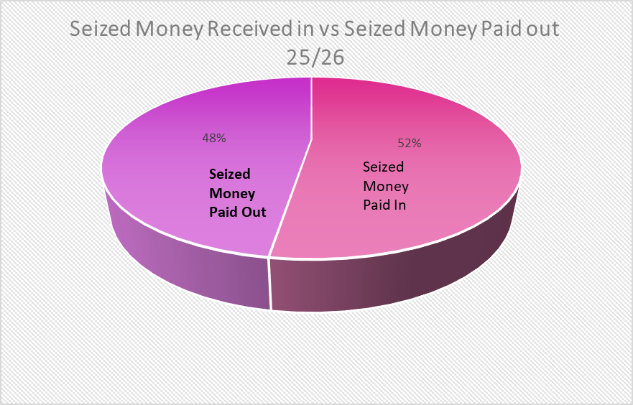
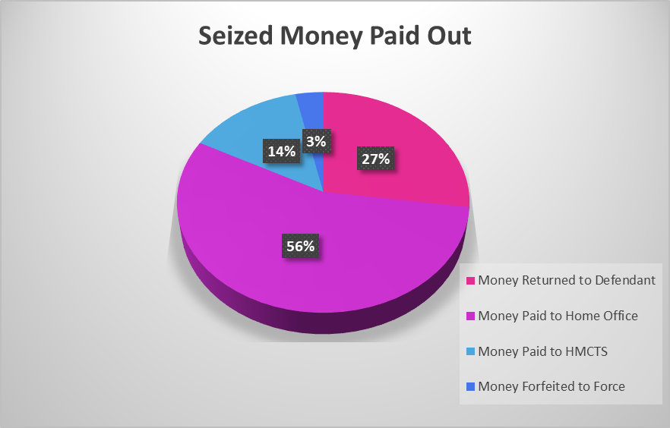
Period 1 | 113,999 | 113,999 | 113,999 | 57,974 | 57,974 | 57,974
Period 2 |  | 35,983 | 35,983 |  | 18,593 | 18,593
Period 3 |  |  | 165,605 |  |  | 47,820
 | 113,999 | 149,982 | 315,587 | 57,974 | 76,568 | 124,387

Seized Money Received in vs Paid Out

 |  | Apr-25 | May-25 | Jun-25 | Jul-25 | Aug-25 | Sep-25 | Oct-25 | Nov-25 | Dec-25 | Jan-26 | Feb-26 | Mar-26 | Total In/Out
 |  | 0 | 0 | 0 | 0 | 0 | 0 | 0 | 0 | 0 | 0 | 0 | 0 | -
Seized Money Received In |  | 54,845.55 | 91,020.96 | 133,330.96 | 109,730.78 | 21,403.26 | 66,889.85 | - | - | - | - | - | - | 477,221.36
Number of Cash Items |  | - | - | - | - | - | - | - | - | - | - | - | - | -
Money Returned to Defendant |  | 7,331 | 9,579 | 28,568 | 31,418 | 4,460 | 36,808 | 0 | 0 | 0 | 0 | 0 | 0 | 118,164.65
Money Paid to Home Office |  | 104,393 | 6,064 | 115,882 | 6,215 | 6,055 | 2,520 | 0 | 0 | 0 | 0 | 0 | 0 | 241,128.18
Money Paid to HMCTS |  | 2,275 | 0 | 21,155 | 20,341 | 8,078 | 8,492 | 0 | 0 | 0 | 0 | 0 | 0 | 60,341.02
Money Forfeited to Force |  | 40 | 12,295 |  | 2283.21 |  |  | - | - | - | - | - | - | 14,618.01
Total Money Paid out |  | 114,039 | 27,937 | 165,605 | 60,257 | 18,593 | 47,820 | 0 | 0 | 0 | 0 | 0 | 0 | 434,251.86
Running Balance |  | (59,153) | 75,378 | (32,274) | 51,757 | 2,810 | 19,070 | 0 | 0 | 0 | 0 | 0 | 0 | 42,969.50

